AerialPhoto
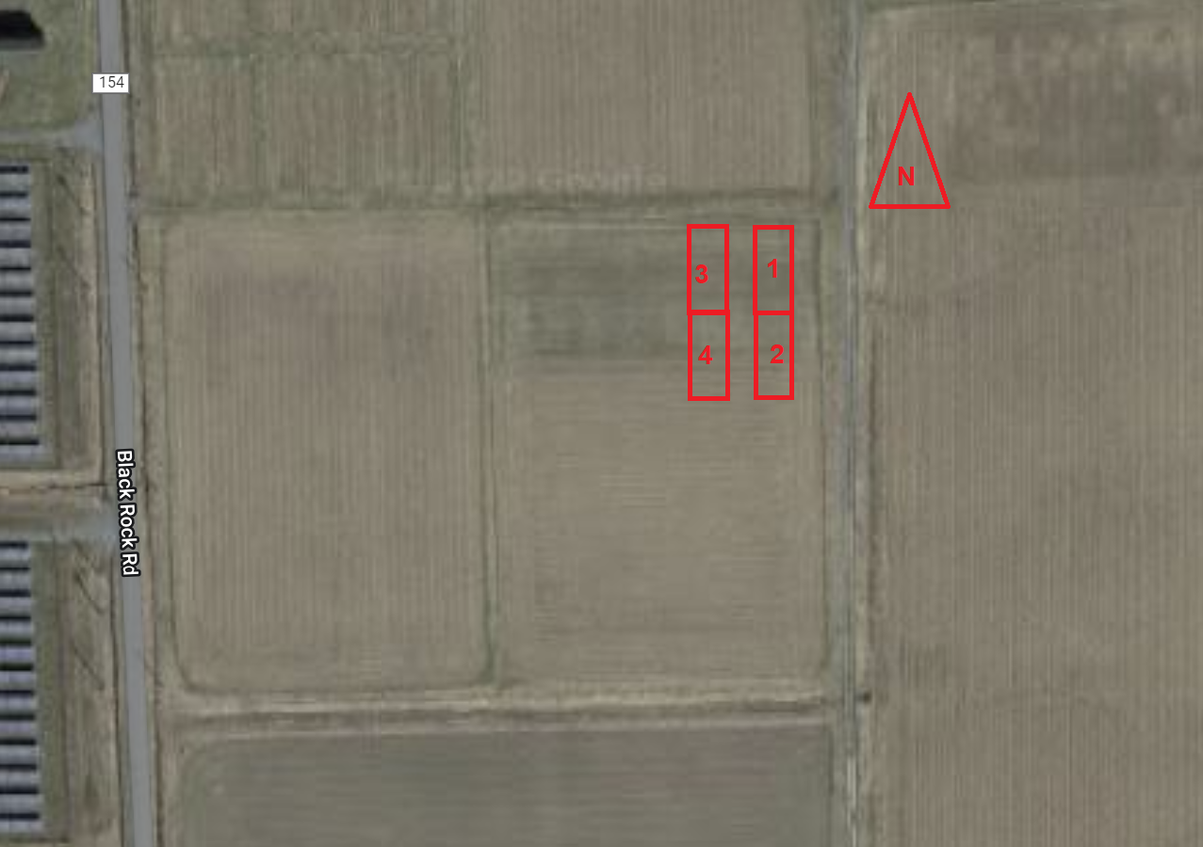

PlotMap
 |  | BLK 1 |  |  |  |  |  |  |  |  |  |  | BLK2
 |  | 10 | 20 | 30 | 40 | 50 | 60 | 70 | 80 | 90 | 100 | 110 | 120 | 130 | 140 | 150 | 160 | 170 | 180 | 190 | 200 | 210 | 220
-------25 ft------- | ------------50 ft------------ | A | O | E | G | I | K | M | J |  |  |  | N | D | E | M | F | C | H | I
 |  | Nitro Radish | Control | Florida Broadleaf Mustard | Kodiac Brown Mustard | Roquette Arugula | Siberian Kale | Viking 3800 Alfalfa | VNS Winter Camelina |  | Yellow Blossom Sweet Clover | Spring Triticale | Control | Impact Collard | Florida Broadleaf Mustard | Viking 3800 Alfalfa | White Gold Mustard | Trophy Rapeseed | Indi Gold Oriental Mustard | Roquette Arugula |  | Spring Triticale | Hairy Vetch ( HV) | Yellow Blossom Sweet Clover (YBSC) | HV + YBSC

 |  | B | D | F | H | P | L | N | C |  |  |  | K | A | O | B | P | G | L | J
 |  | Purple Top Turnip | Impact Collard | White Gold Mustard | Indi Gold Oriental Mustard | Control | Blaze Red Clover | Control | Trophy Rapeseed |  |  |  | Siberian Kale | Nitro Radish | Control | Purple Top Radish | Control | Kodiac Brown Mustard | Blaze Red Clover | VNS Winter Camelina

NN

 |  | BLK 3 |  |  |  |  |  |  |  |  |  |  | BLK 4
 |  | 10 | 20 | 30 | 40 | 50 | 60 | 70 | 80 | 90 | 100 | 110 | 120 | 130 | 140 | 150 | 160 | 170 | 180 | 190 | 200 | 210 | 220
-------25 ft------- | ------------50 ft------------ | M | G | J | D | I | N | F | K |  |  |  | J | P | H | C | O | A | D | L
 |  | Viking 3800 Alfalfa | Kodiac Brown Mustard | VNS Winter Camelina | Impact Collard | Roquette Arugula | Control | White Gold Mustard | Siberian Kale | Spring Triticale |  | Yellow Blossom Sweet Clover | VNS Winter Camelina | Control | Indi Gold Oriental Mustard | Trophy Rapeseed | Control | Nitro Radish | Impact Collard | Blaze Red Clover |  | Spring Triticale | Yellow Blossom Sweet Clover (YBSC) | Yellow Blossom Sweet Clover (YBSC) | HV + YBSC

 |  | E | P | C | O | A | H | L | B |  |  |  | F | I | B | G | K | M | N | E
 |  | Florida Broadleaf Mustard | Control | Trophy Rapeseed | Control | Nitro Radish | Indi Gold | Blaze Red Clover | Purple Top Radish |  |  |  | White Gold Mustard | Roquette Arugula | Purple Top Turnip | Kodiac Brown Mustard | Siberian Kale | Viking 3800 Alfalfa | Control | Florida Broadleaf Mustard

 |  |  |  |  |  |  |  | Treatment# | TreatmentID | Cultivar | Crop | Flag
 |  |  |  |  |  |  |  | TRT1 | A | Nitro | Radish | Pink
 |  |  |  |  |  |  |  | TRT2 | B | Purple Top | Turnip | Purple
 |  |  |  |  |  |  |  | TRT3 | C | Trophy | Rapeseed | Blue
 |  |  |  |  |  |  |  | TRT4 | D | Impact | Collard | Oregon
 |  |  |  |  |  |  |  | TRT5 | E | Florida | Broadleaf Mustard | Yellow
 |  |  |  |  |  |  |  | TRT6 | F | White Gold | Mustard | Green
 |  |  |  |  |  |  |  | TRT7 | G | Kodiac | Brown mustard | Orange Pink
 |  |  |  |  |  |  |  | TRT8 | H | Indi Gold | Oriental Mustard | Orange Blue
 |  |  |  |  |  |  |  | TRT9 | I | Roquette | Arugula | Orange Purple
 |  |  |  |  |  |  |  | TRT10 | J | VNS | Winter Camelina | Orange Green
 |  |  |  |  |  |  |  | TRT11 | K | Siberian | Kale | Orange Yellow
 |  |  |  |  |  |  |  | TRT12 | L | Blaze | Red Clover | Yellow Pink
 |  |  |  |  |  |  |  | TRT13 | M | Viking 3800 | Alfalfa | Orange White
 |  |  |  |  |  |  |  | TRT14 | N |  | Control | White
 |  |  |  |  |  |  |  | TRT15 | O |  | Control | White
 |  |  |  |  |  |  |  | TRT16 | P |  | Control | White

Seed List
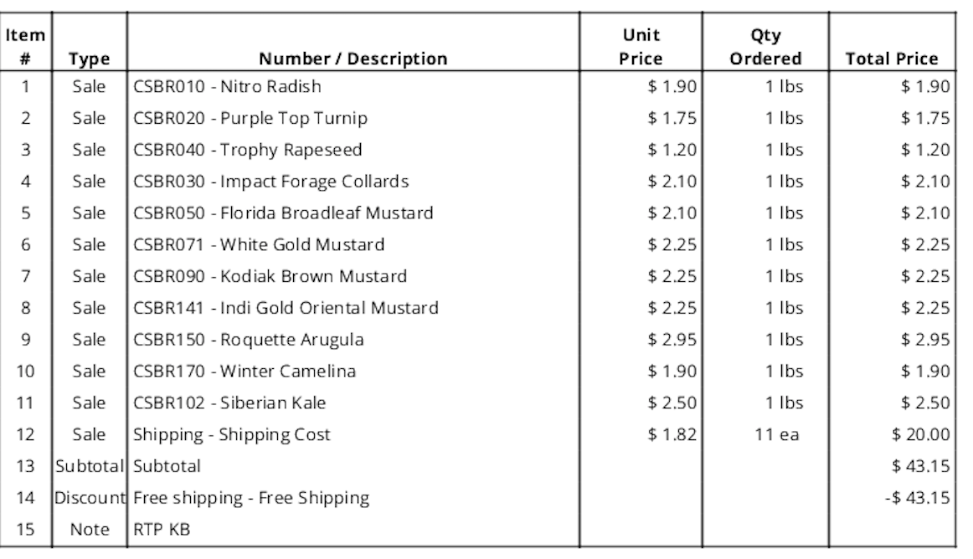
 |  |  |  |  |  |  |  |  |  |  |  | Basic Info |  |  |  |  |  |  | Use and Characteristics |  |  |  |  |  |  |  |  | Planting
Cultivar | Common name | Genus species | Target Broadcast Rate (PLS lbs/acre) | Total Germ | Purity | lbs/acre | lbs/plot | grams/plot | $/lb | $/acre | Link | Maturity Days | Seeds/lb | C/N at Maturity | Growth Habit | Root Type/Depth | Cold Kill (F) | Dry Matter Potential (tons) | N Fix Potential | Lasting Residue | Palatability | Hay Harvest | Regrowth | Deep Compaction | Surface Compaction | Weed Suppression | Crimp Kill | Plant Depth | Min Germ Temp (F) | Drilled Seed Rate (lbs/ac) | Broadcast Seed Rate (lb/ac) | Notes
Nitro | Radish |  | 15 | 93 | 99.45 | 16.2 | 0.0931 | 42.3 | 1.9 | 30.8
Purple Top | Turnip |  | 10 | 94 | 99.94 | 10.6 | 0.0611 | 27.7 | 1.75 | 18.6 | https://greencover.com/shop/purple-top-turnips/ | 70-150 | 170000 | Low | Upright | Medium Taproot | 10 | 1.5 - 2.5 | na | Poor | Very Good | Poor | Poor | Fair | Excellent | Very Good | Moderate | 1/4 - 1/2" | 45 | 2022-05-06 | 2022-08-10
Trophy | Rapeseed |  | 15 | 74 | 99.49 | 20.4 | 0.1169 | 53.1 | 1.2 | 24.4
Impact | Collard |  | 15 | 88 | 99.81 | 17.1 | 0.0980 | 44.5 | 2.1 | 35.9 | https://greencover.com/shop/impact-forage-collards/ | PPS | 175000 | Low | Prostrate | Medium Taproot | 5 | 3 - 4 | na | Poor | Excellent | Good | Excellent | Good | Excellent | Very Good | Moderate | 1/4 - 1/2" | 40 | 2022-06-08 | 2022-10-15
Florida | Broadleaf Mustard |  | 15 | 90 | 99 | 16.8 | 0.0966 | 43.9 | 2.1 | 35.4 | https://greencover.com/shop/florida-broadleaf-mustard/ | 75-95 | 100000 | Low | Upright | Medium Taproot | 25 | 2 - 4.5 | na | Poor | Good | Fair | Good | Fair | Very Good | Very Good | Moderate | 1/4 - 3/4" | 40 | 2022-06-08 | 2022-10-15
White Gold | Mustard |  | 15 | 83 | 99.95 | 18.1 | 0.1038 | 47.1 | 2.25 | 40.7
Kodiac | Brown mustard |  | 15 | 94 | 99.9 | 16.0 | 0.0917 | 41.6 | 2.25 | 35.9 | https://greencover.com/shop/brown-mustard-kodiac/ | 55-65 | 100000 | Low | Upright | Medium Taproot | 25 | 1.5-4.5 | na | Poor | Good | Fair | Fair | Fair | Very Good | Very Good | Easy | 1/4-3/4" | 40 | 2022-06-08 | 2022-10-15
Indi Gold | Oriental Mustard |  | 15 | 95 | 98.82 | 16.0 | 0.0917 | 41.6 | 2.25 | 36.0
Roquette | Arugula |  | 8 | 95 | 99.76 | 8.4 | 0.0484 | 22.0 | 2.95 | 24.9 |  |  | 280000
VNS | Winter Camelina |  | 10 | 73 | 99.51 | 13.8 | 0.0790 | 35.9 | 1.9 | 26.2 |  |  | 454000
Siberian' | Kale |  | 10 | 95 | 99.79 | 10.5 | 0.0605 | 27.5 | 2.5 | 26.4 |  |  | 136200
African | Cabbage |  | 10 |  |  | #DIV/0! | #DIV/0! | #DIV/0! |  |  | https://greencover.com/shop/african-cabbage/ | 75-95 | 180000 | Low | Upright | Medium Taproot | 15 | 1.5 - 2.5 | na | Good | Excellent | Fair | Fair | Good | Very Good | Very Good | Easy | 1/4 - 1/2" | 42 | 2022-05-06 | 2022-08-10
Bayou | Kale |  | 10 |  |  | #DIV/0! | #DIV/0! | #DIV/0! |  |  | https://greencover.com/shop/bayou-kale/ | 70-150 | 175000 | Low | Upright | Medium Taproot | 0 | 2 - 4 | na | Poor | Very Good | Fair | Good | Good | Very Good | Good | Moderate | 1/4 - 1/2" | 43 | 2022-05-06 | 2022-08-10
Blaze | Red Clover |  | 12 | 78 | 64 | 24.0 | 0.1380 | 62.6
Viking 3800 | Alfalfa |  | 20 | 99.6 | 68 | 29.5 | 0.1695 | 76.9
 |  |  |  |  |  | 2178 |  |  | 272.25 | 10.89

NotesInfo
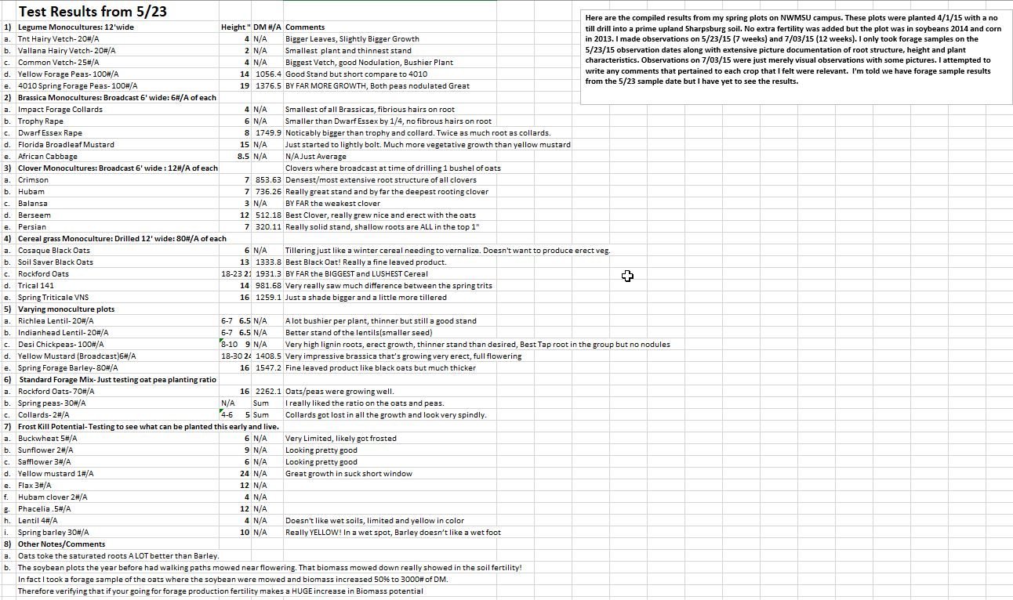
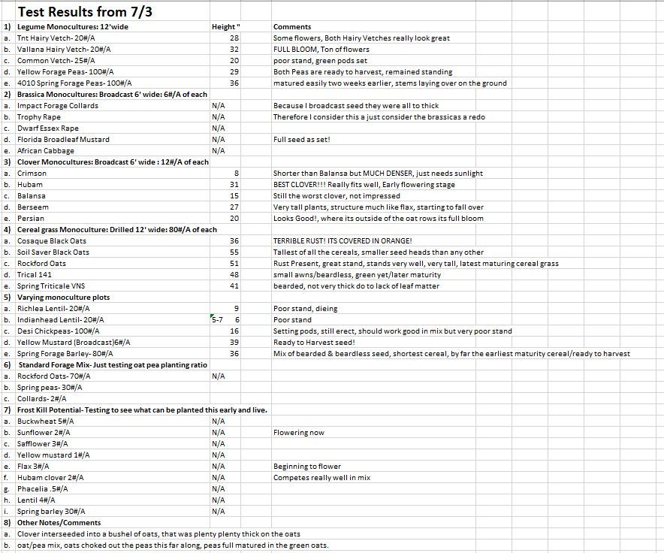
https://www.facebook.com/groups/154480008227557/posts/1006735613001988 | NW Missouri St-Colten Catterton/Green Cover Seed

